Hoja2
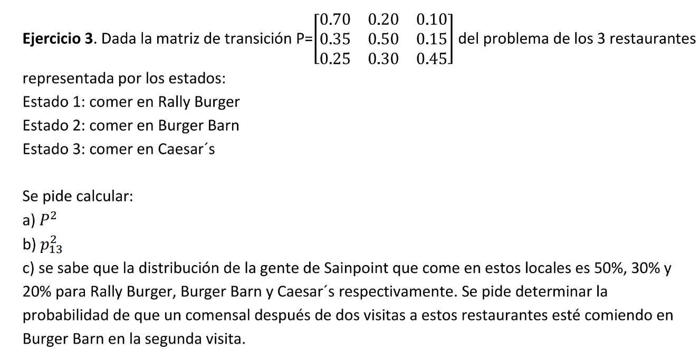

P1 | R | B | C
R | 0.7 | 0.2 | 0.1
B | 0.35 | 0.5 | 0.15
C | 0.25 | 0.3 | 0.45

P2 | R | B | C
R | 0.585 | 0.27 | 0.145
B | 0.4575 | 0.365 | 0.1775
C | 0.3925 | 0.335 | 0.2725

 | R | B | C
π0 | 0.5 | 0.3 | 0.2
Pi_2 | 0.50825 | 0.3115 | 0.18025

